Goodwill Tournament Entry sheet
World So-Kyokushin 2nd International Goodwill "KUMITE" Tournament November,25 (Sat),2023 |  |  |  |  |  |  | 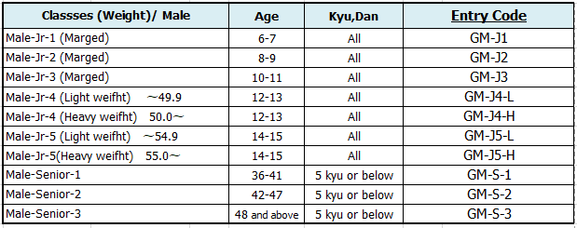 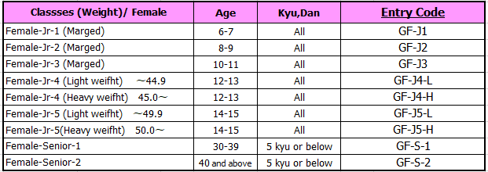 Classes and Entry code
- Entry Form -

1. Face photograph is
required.
2. Copy of passport
page with face
image is also
required.
Please send by e-mail.
■ Entry Date month / day /year
/ /2023
■ Name: |  | First name |  | Family name

■ Entry Fee ■
Goodwill Kumite
= 80 US$
■ Height |  |  | cm | ■ Weight |  | kg
■ Kyu/Dan |  |  |  | ■ Sex （Pull down) | -
■ Date of birth: month/ day /year |  |  |  |  | ■ Age (as of Nov.25)
/ /
Entry Code
■Country |  |  |  |  | ■ Name of dojo

■ Name of your Shihan or Sensei |  |  |  |  | ■ Name of Guardian (if participant is under18)

■ Postal code of Dojo |  |  | ■ Adress of Dojo

→ Pull down to Agree (Agree=X)
 | - | Declaration I hereby declare that I will compete to the best of my ability and abide by the rules of the tournament. All information I have provided on this form has been provided in good faith to ensure proper tournament creation. Especially, Age, Weight, and Entry Code have been double checked. In addition, I waive all and any claim, right or cause of action out of loss, damage or injury upon participation in this tournament.

X

 | -

Sample for your reffernce
World So-Kyokushin 2nd International Goodwill "KUMITE" Tournament November,25 (Sat),2023 |  |  |  |  |  |  | Classes and Entry code
- Entry Form -

1. Face photograph is
required.
2. Copy of passport
page with face
image is also
required.
Please send by e-mail.
■ Entry Date month / day /year
/ /2023
■ Name: |  | First name |  | Family name
 |  | Ken |  | Suzuki
■ Height |  | 165 | cm | ■ Weight | 54.0 | kg
■ Kyu/Dan |  | 4 Kyu |  | ■ Sex （Pull down) | Male
■ Entry Fee ■
Goodwill Kumite
= 80 US$
■ Date of birth: month/ day /year |  |  |  |  | ■ Age (as of Nov.25)
7 / 1 /2010 |  |  |  |  | 13
Entry Code |  | GM-J4-H
■Country |  |  |  |  | ■ Name of dojo
Japan |  |  |  |  | Oishi dojo, Numazu so-honbu
■ Name of your Shihan or Sensei |  |  |  |  | ■ Name of Guardian (if participant is under18)
Sensei, Taro Yamada |  |  |  |  | Ichiro Suzuki
■ Postal code of Dojo |  |  | ■ Adress of Dojo
4100065 |  |  | 1-9 Hanazonocho, Numazu-shi, Shizuoka, Japan

→ Pull down to Agree (Agree=X)
 | X | Declaration I hereby declare that I will compete to the best of my ability and abide by the rules of the tournament. All information I have provided on this form has been provided in good faith to ensure proper tournament creation. Especially, Age, Weight, and Entry Code have been double checked. In addition, I waive all and any claim, right or cause of action out of loss, damage or injury upon participation in this tournament.

X

